Totals
PRODUCT NAME |  | Recovery System |  | 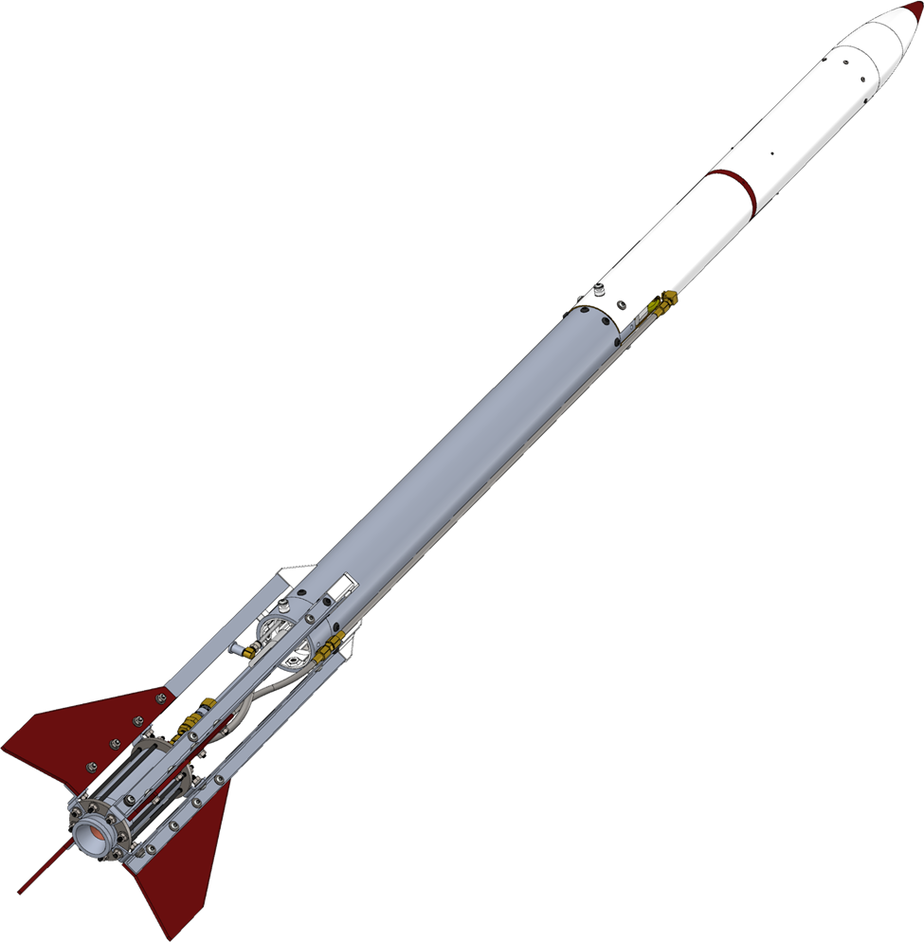 |  |  | USD TO CAD
APPROVED BY |  |  |  |  |  |  | 1.42365
DATE OF APPROVAL
PART COUNT |  | 240
TOTAL COST |  | $2,029.70

PART NUMBER |  | ITEM | QUANTITY | COST CAD | COST USD | N COST CAD
 | 1 | Propellant Tank | 25 | $317.39 | $222.94 | $344.58
 | 2 | Fluid System | 32 | $228.72 | $160.66 | $236.00
 | 3 | Valves | 16 | $221.78 | $155.78 | $222.27
 | 4 | Thrust Chamber Assembly | 36 | $317.62 | $223.10 | $431.58
 | 5 | Igniter | 8 | $38.79 | $27.25 | $40.72
 | 6 | Airframe | 44 | $183.58 | $128.95 | $191.30
 | 7 | Recovery System | 79 | $301.17 | $211.55 | $301.67
 | 8 | Consumables | 27 | $261.58 | $183.74 | $261.58
 |  | TOTALS | QUANTITY | COST CAD | COST USD | N COST CAD
 |  |  | 240 | $1,870.63 | $1,313.97 | $2,029.70

